CRENT - CONTRATO
CR RENT - COERÊNCIA & RAZÃO, LDA. • RUA DAS PRETAS, N.º 4 - 2º E - 9000-049 - FUNCHAL • NIF 513484337 • TELEF. +351 291 619 114 • TELEM. +351 929 248 006 • ASSISTENCIA 24 HORAS: +351 934 953 682 EMAIL: GABCONTA9@GMAIL.COM | CRrent

 | DATA / DATE _______/_______/_______ |  | RESERVA NÚMERO/BOOKING NUMBER ______________________ |  |  |  |  |  |  | ALUGUER / RENTAL N.º _________________________

 | DADOS DO ALUGUER

 | RECOLHA /PICK-UP |  |  |  |  |  | DEVOLUÇÃO / DROP-OFF
 | LOCAL/PLACE ______________________________________________________________ |  |  |  |  |  | LOCAL/PLACE ______________________________________________________________
 | DATA/DATE _______/_______/______________ |  |  | HORA/HOUR _______:_______ |  |  | DATA/DATE _______/_______/______________ |  |  |  |  |  |  | HORA/HOUR _______:_______
 | VOO ___________________________________ |  |  | HORA/HOUR _______:_______ |  |  | VOO ___________________________________ |  |  |  |  |  |  | HORA/HOUR _______:_______
 | OBS. _____________________________________________________________________ |  |  |  |  |  | OBS. _____________________________________________________________________

 | INFORMAÇÃO DO CLIENTE / CLIENT INFORMATION

 | COMPANHIA/COMPANY _____________________________________________________________ |  |  |  |  |  |  | Telf./Phone number ___________________________________________________
 | NOME/NAME ___________________________________________________________________________________________________________
 | MORADA/ADDRESS ______________________________________________________________________________________________________
 | CÓDIGO POSTAL/ZIP CODE _____________________ |  |  |  | EMAIL: __________________________________________________________
 | ID/PASSAPORT __________________________________________ |  |  |  |  | PAÍS/COUNTRY ______________________ |  |  |  |  | NIF/VAT ________________________________________
 | ENDEREÇO LOCAL/LOCAL ADRESS __________________________________________________________________________________________

 | CONDUTOR PRINCIPAL / MAIN DRIVER

 | NOME/NAME ______________________________________________________________________________ |  |  |  |  |  |  |  | DATA NASCIMENTO / BIRTH DATE _______/_______/______________

 | NÚMERO CARTA CONDUÇÃO / DRIVERS LICENSE NUMBER |  |  | DATA DE EMISSÃO / DATE OF ISSUE |  |  |  | DATA DE VALIDADE / EXPIRATION DATE |  |  |  |  | LOCAL DE EMISSÃO / PLACE OF ISSUE

 | ________________________________________ |  |  | _______/_______/______________ |  |  |  | _______/_______/______________ |  |  |  |  | __________________________

 | CONDUTOR ADICIONAL / ADDITIONAL DRIVER

 | NOME/NAME ______________________________________________________________________________ |  |  |  |  |  |  |  | DATA NASCIMENTO / BIRTH DATE _______/_______/______________

 | NÚMERO CARTA CONDUÇÃO / DRIVERS LICENSE NUMBER |  |  | DATA DE EMISSÃO / DATE OF ISSUE |  |  |  | DATA DE VALIDADE / EXPIRATION DATE |  |  |  |  | LOCAL DE EMISSÃO / PLACE OF ISSUE

 | ________________________________________ |  |  | _______/_______/______________ |  |  |  | _______/_______/______________ |  |  |  |  | __________________________

 | DADOS DO CARRO / CAR DETAILS

 | MARCA / BRAND ___________________________________ |  |  |  | MODELO/MODEL __________________ |  |  | TIPO DE COMBUSTÍVEL / TYPE OF FUEL ________________________________
 | MATRÍCULA / REG. N.º _________-_________-_________ |  |  |  | GRUPO/ GROUP ___________________ |  |  | COMBUSTÍVEL (SAÍDA) / FUEL (PICK-UP) ____________________________
 | KM (SAÍDA) /KM (PICK-UP) ________________________ |  |  |  |  |  |  | COMBUSTÍVEL (ENTRADA) / FUEL (DROP-OFF) ___________________________
 | KM (ENTRADA)/KM (DROP-OFF) _______________________ |  |  |  | DOCUMENTAÇÃO DO CARRO / CAR DOCUMENTS AT |  |  |  |  | PICK-UP _____________ |  |  |  | DROP-OFF _____________

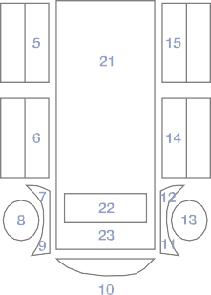
 | PREÇO / PRICES |  |  |  |  |  | OBSERVAÇÕES DO VEÍCULO / VEHICLE OBSERVATIONS
 |  | QT |  | P.U. / U.P. |  | SUBTOTAL
 | ALUGUER / RENT
 | CONDUTOR ADICIONAL / ADDITIONAL DRIVER
 | CDW
 | SCDW
 | PAI
 | GPS
 | CADEIRA BEBÉ / BABY CHAIR
 | TAXA ENTREGA / DELIVERY FEE
 | TAXA RECOLHA / RETURN FEE
 | OUTROS/OTHERS

 | QUANTIA FRANQUIA / EXCESS AMOUNT
 | QUANTIA DEPÓSITO / DEPOSIT AMOUNT
 | TOTAL
 | PAGO / PAID

 | PENDENTE / PENDING
 | REEMBOLSO / REFUND

 | EU LI E CONCORDO COM OS TERMOS DESTE CONTRATO DE ALUGUER / I HAVE READ AND AGREE WITH THE TERMS OF THIS RENTAL AGREEMENT |  |  |  |  |  | ENTREGUE POR/DELIVERED BY |  |  |  |  | RECEBIDO POR/RECIEVED BY

 | ASSINATURA DO CLIENTE / CLIENT'S SIGNATURE |  |  |  |  |  | NOME / NAME |  |  |  |  | NOME / NAME

 |  |  |  |  |  |  | _______________________________ |  |  |  |  | _______________________________
 | ___________________________________________________________________ |  |  |  |  |  | ASS. / SIGN. |  |  |  |  | ASS. / SIGN.
 |  |  |  |  |  |  | _______________________________ |  |  |  |  | _______________________________

 | DATA / DATE _______/_______/_______ |  |  |  |  |  | DATA / DATE ______/_____/_______ |  |  |  |  | DATA / DATE ______/_____/_______

Preços PANFLETO (e frota)
CRrent

Our service your satisfaction

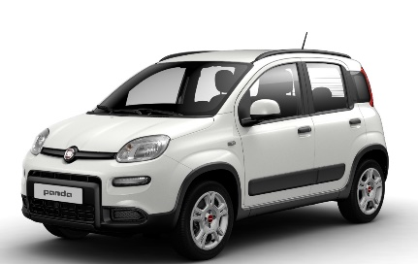
GRUPO A
(Fiat Panda ou similar)
 |  | PREÇOS POR DIA
 | Manual
 | Gasolina | 1-6 | 7-14 | +15
 | 5 | 35.00 € | 31.00 € | 27.50 €
 | 5
 | 1

GRUPO B
Toyota Aygo X (ou similar)
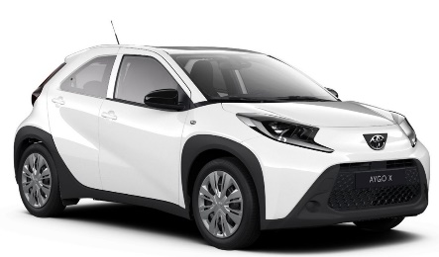
 | Manual
 | Gasolina | 1-6 | 7-14 | +15
 | 4 | 40.00 € | 36.00 € | 32.00 €
 | 5
 | 1

GROUP C
Renault Clio 5 - 1.0 TCe 90hp
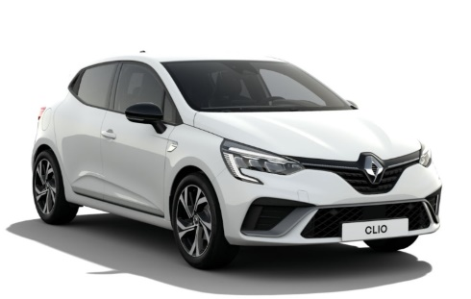
 | Manual
 | Gasolina | 1-6 | 7-14 | +15
 | 5 | 50.00 € | 46.00 € | 40.00 €
 | 5
 | 3

GROUP C
Dacia Sandero

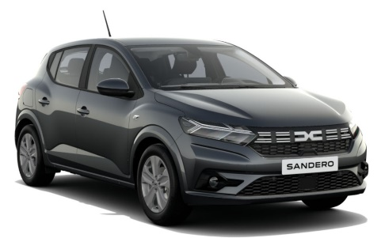
 | Manual
 | Gasolina | 1-6 | 7-14 | +15
 | 5 | 50.00 € | 46.00 € | 40.00 €
 | 5
 | 3

SUV (4X2)/CROSSOVER
Dacia Sandero Stepway (ou similar)
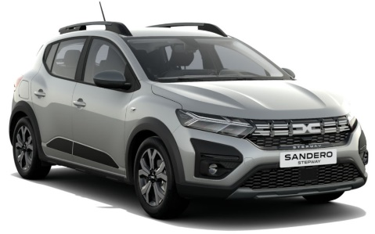
 | Manual
 | Gasolina | 1-6 | 7-14 | +15
 | 5 | 55.00 € | 51.00 € | 45.00 €
 | 5
 | 3

The vehicules shown can be replaced by similar vehicules with the same specs
The indicated prices can be changed depending on the season or without further notice
Prices include civil liability insurance policy

